About
PLANAbPiaSY Potential Land Area Newly Affected by Policy in a Single Year

Sources: | NR Can |  |  |  |  | Council of Canadian Academies
 | The State of Canada's Forests
 | Annual Report 2022
 | https://natural-resources.canada.ca/sites/nrcan/files/forest/sof2022/SoF_Annual2022_EN_access.pdf |  |  |  |  | https://cca-reports.ca/wp-content/uploads/2021/03/Carbon-Sinks_EN_CH-3_Forests.pdf

 | NR Can
 | Inventory and land-use change
 | Date modified: 2022-04-14
 | https://natural-resources.canada.ca/climate-change-adapting-impacts-and-reducing-emissions/climate-change-impacts-forests/carbon-accounting/inventory-and-land-use-change/13111#inventory
 | (for total area of managed forest)

 | Peat and Peatlands
 | Peat and Peatlands Statistics
 | http://peatmoss.com/peat-moss-industry-figures/
 | (for peatland restoration)

 | Canadian Sphagnum Peat Moss
 | 2017 Statistics about Peatland Areas Managed for Horticultural Peat Harvesting in Canada
 | https://tourbehorticole.com/wp-content/uploads/2020/01/Summary_2016_2017_Indutry_Statistic_AREAS_WEB.pdf
 | (for peatland restoration)
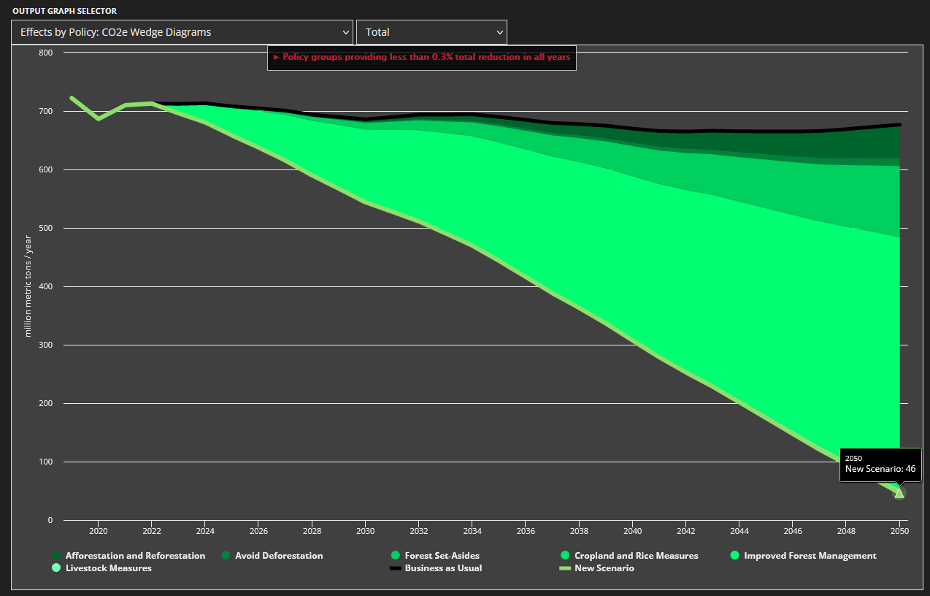

Notes
Units: | ha to acre conversion:
 | 1ha= | 2.47105

NR Can Data:
 | State of Canada's Forests 2022
 |  | million ha |  | data yr
 | TOTAL | 361.73
 | deforested | 0.05 |  | 2020
 | sustainably managed | 158.39 |  | 2021
 | regenerated | 0.45 |  | 2020
 | harvested | 0.71 |  | 2020
 | forest fire | 4.31 |  | 2021
 | protected | 32.92 |  | —
 | insects | 17.77 |  | 2020
 |  | 214.59652233

 | State of Canada's Forests 2022 | Hectares | million ha |  | data year

 | Total | 361,732,641 | 361.73 |  | 2022
 | Other wooded land | 36,249,346 | 36.25 |  | 2022
 | Other land with tree cover | 12,662,714 | 12.66 |  | 2022

 | deforested | 49,352 | 0.05 |  | 2020
 | sustainably managed | 158,391,456 | 158.39 |  | 2021
 | regenerated | 451,573 | 0.45 |  | 2020
 | harvested | 710,333 | 0.71 |  | 2020
 | forest fire | 4,307,520 | 4.31 |  | 2021
 | protected (9.1%) | 32,917,670 | 32.92 |  | —
 | insects | 17,768,618 | 17.77 |  | 2020

Impr Forest Mgmt
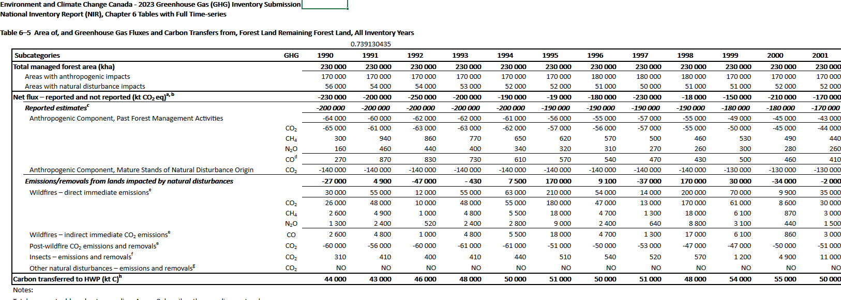
As noted in EPS directions, this value must be the total area of forest that may
be subject to improved management specifically for carbon sequestration purposes,
not an area to be incrementally added to managed areas each year.

Total forest inventory in Canada
361.73 | million ha | SOURCE: | https://natural-resources.canada.ca/sites/nrcan/files/forest/sof2022/SoF_Annual2022_EN_access.pdf
Area certified as sustainably managed
235.13 | million ha | SOURCE: | https://cca-reports.ca/wp-content/uploads/2021/03/Carbon-Sinks_EN_CH-3_Forests.pdf
Area that could be managed better |  |  | 65% of total forests in Canada managed. 35% of total forests in Canada unmanaged
126.61 | million ha
312,850,805 | acres

Forests that are privately-owned, affected by unfavorable environmental conditions,
or other factors may not be suitable for aggressive carbon-sequestering management
techniques.

Assumed value of 10% used to prevent improved forest management lever from reducing more emissions than 65,000 kT CO2e from 1990 from NIR 2023. keep improved forest management within the range of what is historically stated already in the ECCC values. |  |  |  | Elaborate further in rationale for assumption

10% | share of forest that is suitable for improved management

Accounting for the two factors above, the area that could be managed for
aggressive carbon sequestration techniques is:

31,285,080 | acres

